Xin_2014
Xin & Pinzon (2014) - 9 - Improving the environmental performance of heavy-duty vehicles and engines: key issues and system design approaches
https://doi.org/10.1533/9780857097422.2.225

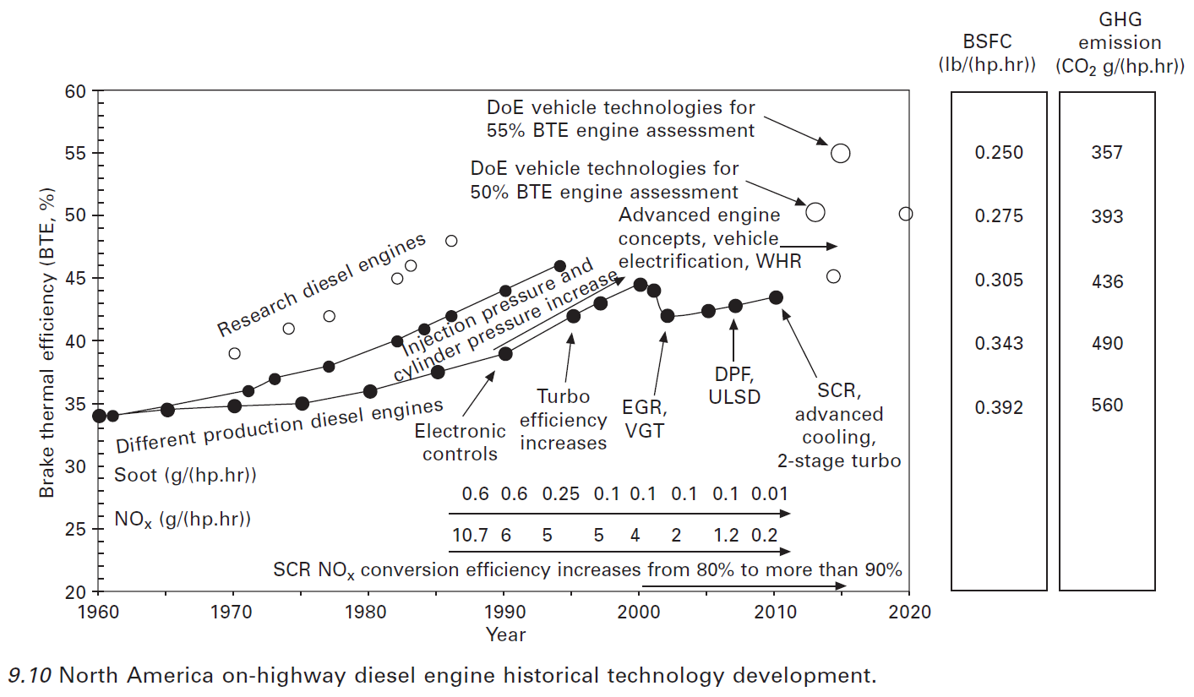
Year | Efficiency [%] | Efficiency [-]
1960 | 33.94 | 33.94%
1961 | 33.87 | 33.87%
1962 | 34.02 | 34.02%
1963 | 34.17 | 34.17%
1964 | 34.32 | 34.32%
1965 | 34.47 | 34.47%
1966 | 34.52 | 34.52%
1967 | 34.56 | 34.56%
1968 | 34.60 | 34.60%
1969 | 34.64 | 34.64%
1970 | 34.68 | 34.68%
1971 | 34.72 | 34.72%
1972 | 34.76 | 34.76%
1973 | 34.80 | 34.80%
1974 | 34.84 | 34.84%
1975 | 34.90 | 34.90%
1976 | 35.09 | 35.09%
1977 | 35.29 | 35.29%
1978 | 35.49 | 35.49%
1979 | 35.69 | 35.69%
1980 | 35.89 | 35.89%
1981 | 36.20 | 36.20%
1982 | 36.50 | 36.50%
1983 | 36.81 | 36.81%
1984 | 37.12 | 37.12%
1985 | 37.42 | 37.42%
1986 | 37.71 | 37.71%
1987 | 37.99 | 37.99%
1988 | 38.27 | 38.27%
1989 | 38.56 | 38.56%
1990 | 38.84 | 38.84%
1991 | 39.44 | 39.44%
1992 | 40.06 | 40.06%
1993 | 40.68 | 40.67%
1994 | 41.30 | 41.30%
1995 | 41.91 | 41.91%
1996 | 42.37 | 42.37%
1997 | 42.81 | 42.81%
1998 | 43.31 | 43.31%
1999 | 43.83 | 43.83%
2000 | 44.35 | 44.35%
2001 | 43.97 | 43.97%
2002 | 41.95 | 41.95%
2003 | 42.06 | 42.06%
2004 | 42.17 | 42.17%
2005 | 42.28 | 42.28%
2006 | 42.44 | 42.44%
2007 | 42.60 | 42.60%
2008 | 42.86 | 42.86%
2009 | 43.15 | 43.15%
2010 | 43.43 | 43.43%

Chala_2018
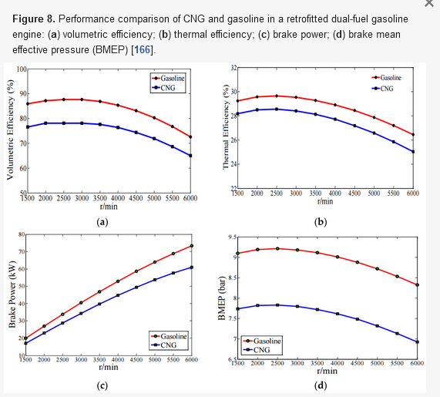
Chala et al (2018) - Natural Gas Engine Technologies Challenges and Energy Sustainability Issue
https://doi.org/10.3390/en11112934

Diesel-> CNG Efficiency Penalty
0.9

Hilali_2018
Hilali (2018) - Design of a New Pump Jack for Continuous Sucker Rod Pumping Systems

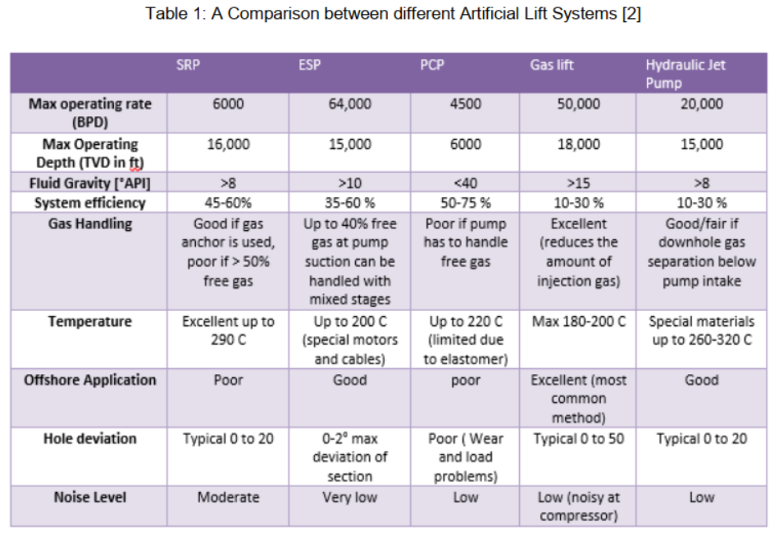
Machine | Efficiency | Notes
Sucker Rod Pump (SRP) | 52.50% | "System efficiency"

Khan_2009
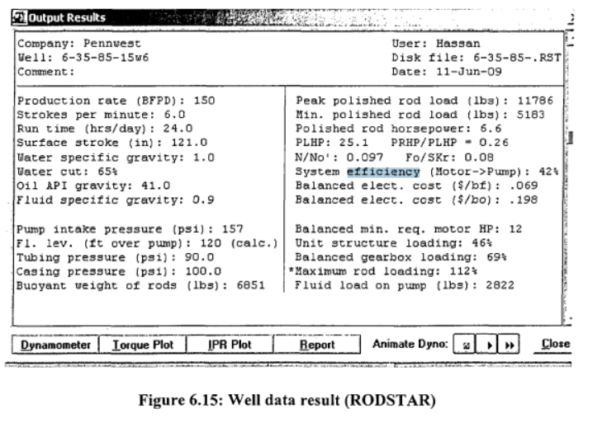
Khan (2009) - Production Optimization of Pump Jacks

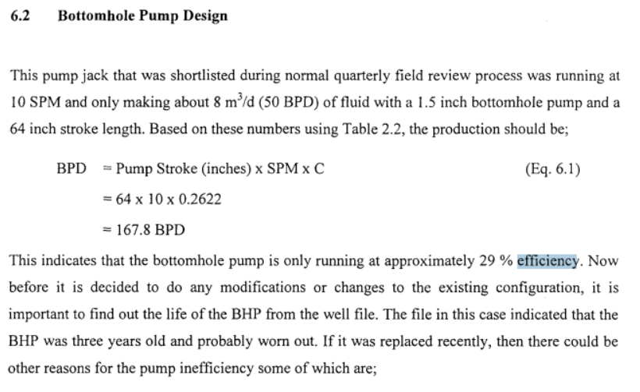
Machine | Efficiency | Notes
Natural gas engine
Electric motor
Electric motor -> Pump | 42.00% | "System efficiency"
Pump
Pump Jack

SLB
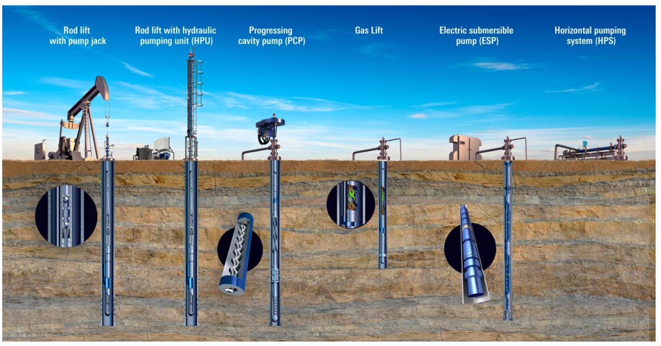
https://www.slb.com/completions/artificial-lift/

Taylor_1916
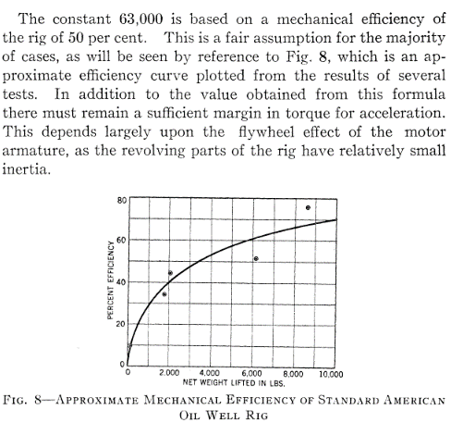
Taylor (1916) - Motor Equipments for the Recovery of Petroleum. Transactions of the American Institute of Electrical Engineers
https://doi.org/10.1109/T-AIEE.1916.4765396

